HOW TO
Surgical Billing Google Sheet – User Guide |  |  |  | HELPER CELLS - Do Not Delete.
This Excel workbook helps surgeons track weekly billing and automatically export their clinical and operative activity to Microsoft Excel files for administrative processing. It automates: ✓ Creating weekly billing sheets ✓ Exporting billing data as Excel files ✓ Organising these exports into week-specific folders ✓ Preparing files for email (Windows: attached automatically; Mac: opened in Finder for drag-and-drop) ✓ Preventing accidental overwrites ✓ Naming exported files using the surgeon surname No external software is required. There are some key differences depending on the platform used:
 |  |  |  | Clinical Helpers: | Operative Helpers:
Install
 |  |  |  | Interactions
 |  |  |  | X: Transfer of Care
 |  |  |  | C1 (03.08AZ): Comprehensive consult (once every 365d)
 |  |  |  | C2 (03.07AZ): Minor consult
 |  |  |  | C3 (03.07B): Repeat consult
 |  |  |  | F1 (03.05JP): inpatient, emergency, or outpatient telephone call
 |  |  |  | F2 (03.05JC): inpatient, emergency, or outpatient in-person conference
 |  |  |  | F3 (03.05JH): community patient telephone call
 |  |  |  | F4 (03.05JB): formal, scheduled, in-person family conference (not part of another visit)
 |  |  |  | T1: Telephone call (physician to physician telephone call - them calling me)
Windows • All exports work normally. • Weekly Excel files are automatically attached to an Outlook email. • Everything happens within Excel and Outlook using built-in automation. |  | Mac • macOS does not allow Excel to attach files into Outlook automatically. • Outlook is brought to the front, and a Finder window opens showing the correct weekly folder. • The user simply drags the exported files into their email. • All other features behave the same as on Windows. |  | T2: Telephone call (physician to physician telephone call - me calling them)
 |  |  |  | R: Round

 |  |  |  | Locations
 |  |  |  | W: Ward
The first time this Excel workbook is opened you will need to ensure Macros are enabled. This Excel workbook has automation built into it using VBA, and in order to execute the functions with the VBA programme it needs macros enabled. This Excel workbook should be saved on a folder on OneDrive where you intend to organise and keep all of your billing activity. The first time this Excel workbook is opened the User should click the green Install button found above this text. This will build out the folder structure for exporting billing activity on a weekly basis. After clicking on this button the User will be prompted to insert a file path to the folder they will use. This is to hardcode in the path for the VBA. There are a number of ways to retreive this. |  |  |  | C: Clinic
 |  |  |  | E: ED
 |  |  |  | I: ICU
 |  |  |  | H: Home (Community)

 |  |  |  | Hospitals: | Hospitals:
Windows File Path: 1. Open OneDrive on File Explorer (Can access via my Documents or my Computer) 2. Create a folder where you want to keep your billing activity. 3. Save this file in the folder you created. 4. On the top of the explorer there will be a path. 5. Click this, highlight everything and then copy it. 6. Click the Install button on this worksheet. 7. Paste in the file path to the dialogue box. 8. It should resemble something like this: 9. Ensure there is no quotations, and save. 10. It should prompt you with a message about the root folder being saved. |  | Mac File Path: 1. Open Finder on your Mac. 2. Navigate to your OneDrive. 3. Save this file in a folder you want to keep your billing activity in. 4. Press the following keys at the same time Option + Command + P 5. This will add the path bar to your Finder, see in yellow on screenshot. 6. Two finger click on the path name, then select "Copy as path .... " 7. Click the Install button on this worksheet. 8. Paste in the file path to the dialogue box. 9. It should resemble something like this: /Users/your_name/Library/CloudStorage/OneDrive-Personal/Nuerosurgical Billing 10. Ensure that there is no quotations around it and save. 11. It should prompt you with a message that the root folder is saved. |  | RAH | RAH
 |  |  |  | UAH | UAH
 |  |  |  | GNH | ASG
 |  |  |  | MIS | LEDUC
 |  |  |  | STURG
 |  |  |  | STONY
 |  |  |  | STRATHCONA
 |  |  |  | FT MAC
 |  |  |  | GRANDPRARIE
 |  |  |  | RED DEER
 |  |  |  | LEDUC
 |  |  |  | CAMROSE

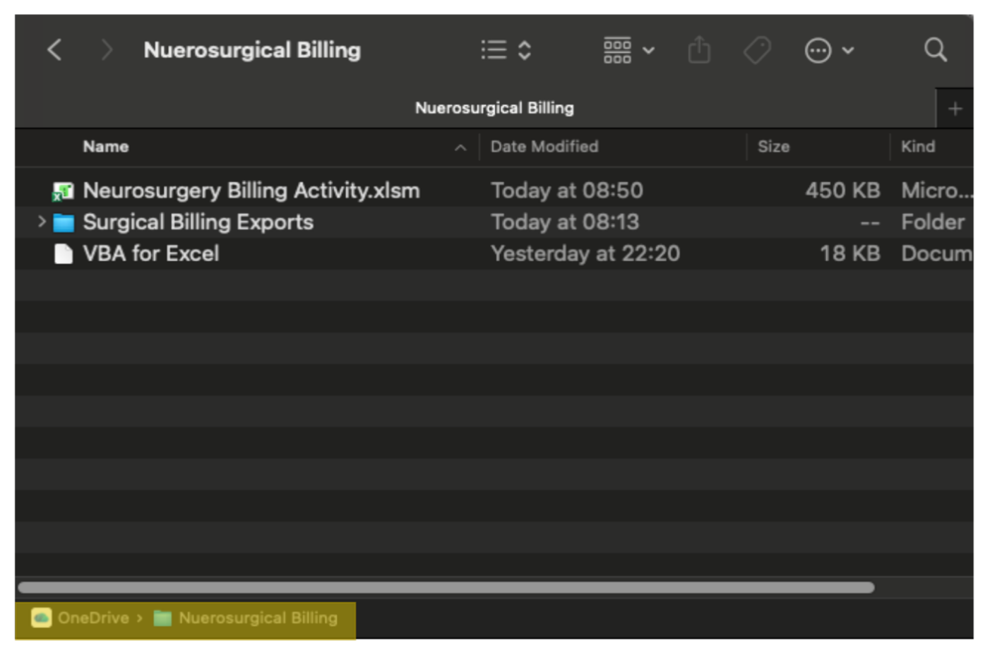

Structure The first time you open this file there will be two sheets: HOW TO & WEEK_TEMPLATE. HOW TO simply is a tutorial explaining how to use this document to automate aspects of your billing activity. WEEK_TEMPLATE is the basis for a template to be used to build a fresh sheet for billing activity each week. WEEK_TEMPLATE contains two tables 1. Clinical Billing Activity — A6:O305 2. Operative Billing Activity — Q6:AB37 Do not enter billing data on WEEK_TEMPLATE. Each new week a clean copy is generated based off of the content of the WEEK_TEMPLATE sheet. Anything within it, will propagate to each week until it is removed from the template. You however should make some changes to the variables listed on it. Variables Cells L1 and L2 should be personalised to fit your needs. L1 should be your name so the excel docs we create are linked to you. L2 should be a list of recipients you want to email, each recipient should be separated by a semicolon " ; " You can generate a new sheet to add your billing activity by clicking on the Create Next Week's Sheet on the WEEK_TEMPLATE sheet. This will create a copy of the WEEK_TEMPLATE with a name like "Week48_24_November_2025" once this is done you are set to go and add your billing activity Buttons and weekly workflow Each weekly sheet displays buttons at the top for automation.

Create Next Week’s Sheet
Export Clinical Billing Activity
Export Operative Billing Activity
Email
Create Next Week’s Sheet Creates a new sheet based on the current week if it has never been run and from then on creates a sheet for next week contextual to the active worksheet i.e. if you are on Week 49 it will create a sheet for Week 50. | Export Billing Activity These buttons allow the user to export the relevant billing activity tables into an table to an Excel workbook e.g. <YourSurname>_Clinical_Billing_week47_17Nov2025.xlsx which is stored in your folders on OneDrive Surgical Billing Exports / Week47_17Nov2025 / |  | Email This button emails both generated excel to the recipients listed in Cell L2 Note: When ran on Mac, Apple security does not allow VBA to access applications so the best we can do is open Outlook & Finder. Note: On Windows it requires OLD Outook.

Export Both Tables

Overwrite protection If you export again for the same week: • If a file with the same name already exists • You will be asked whether to replace it • Cancelling keeps the existing file unchanged This prevents accidental loss of previous submissions. | Permissions (Mac and Windows) Excel may ask for permission to: • Access files and folders • Modify content in your chosen billing folder • Run AppleScript (Mac only for Finder + Outlook activation) These permissions are required for export and email preparation. |  | Safety This workbook: • Does not send data over the internet • Does not read any files outside the folder you choose • Does not modify Outlook settings • Only creates Excel files in your local storage The full VBA code is visible under: Excel → Developer → Visual Basic

WEEK_TEMPLATE
Create Next Week’s Sheet
Export Clinical Billing Activity
Export Operative Billing Activity
Export Both Tables
Email
 |  |  |  |  |  |  |  |  |  | SURGEON: | YOUR_NAME
 |  |  |  |  |  |  |  |  |  | EMAIL RECIPIENTS: | SOMEONES; EMAIL ; Seperarted by semi colons
 |  |  |  |  |  |  |  |  |  | EMAIL URL: | gmail.com
 |  |  |  |  |  |  |  |  |  | EXPORT PASSWORD: | TEST

Name | ULI | MRN | Referring MD | City/Hospital | Date | WCB | Time Seen | Time Spent | Diagnosis | Interaction | Location | Complication/Trauma (C/T) | Complex (Plan/Follow-up) | Billed (YES/NO) | Name | ULI | MRN | Hospital | WCB (Y/N) | Date | Time seen | Time Spent | Procedure | Reconciliation | Billing Code (OR codes only) | Billed (YES/NO)

